Sheet1
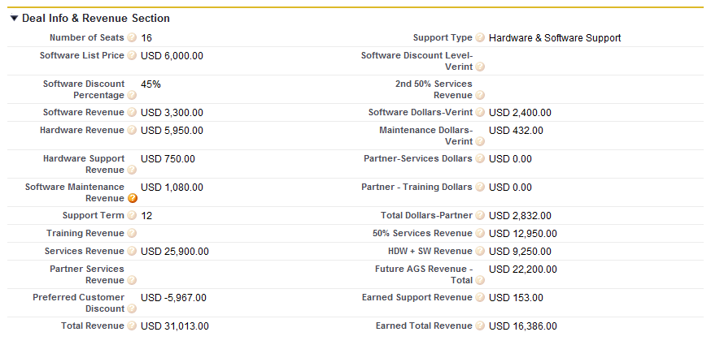
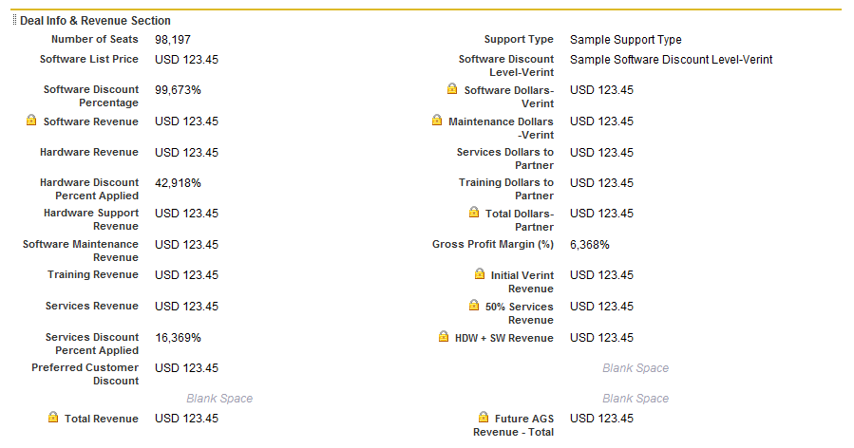

Opportunity Custom Fields & Relationships
Action | Field Label | Description (Tooltip) | API Name | Data Type | Controlling Field | Modified By
Edit | Del | 2008 Expected Revenue - Weighted |  | X2008_Revenue__c | Formula (Currency) |  | Carol Carter, 5/16/2008 3:05 PM
Edit | Del | 2nd 50% Services Revenue | This is the 2nd 50% of the Services Revenue to be recognized at the completion of a services engagement | X2nd_50_Services_Revenue__c | Currency(18, 0) |  | Kevin Sullivan, 8/13/2010 12:20 PM
Edit | Del | 2nd Year Order Volume |  | Second_Year_Order_Volume__c | Number(18, 0) |  | Carol Carter, 4/24/2008 12:20 AM
Edit | Del | 2nd Year Revenue |  | X2nd_Year_Revenue__c | Formula (Currency) |  | Carol Carter, 4/23/2008 11:57 PM
Edit | Del | 50% Services Revenue | This is the 50% of Services revenue. Used to calculate current Earned Revenue. | Revenue_50_Services__c | Formula (Currency) |  | Kevin Sullivan, 8/13/2010 12:14 PM | Services_Revenue__c / 2
Edit | Del | Actual Ship Date |  | Actual_Ship_Date__c | Date |  | Carol Carter, 4/24/2008 12:21 AM
Edit | Del | Replace | Adtech Engineer |  | Adtech_Engineer__c | Picklist |  | Kevin Sullivan, 2/1/2011 10:08 AM
Edit | Del | Replace | Adtech Partner Relationship |  | Adtech_Partner_Relationship__c | Picklist |  | Kevin Sullivan, 2/1/2011 10:01 AM
Edit | Del | Adtech Partner Relationship - Other |  | Adtech_Partner_Relationship_Other__c | Text(80) |  | Kevin Sullivan, 2/1/2011 10:08 AM
Edit | Del | Adtech Presales Engineer |  | Adtech_Presales_Engineer__c | Lookup(User) |  | Kevin Sullivan, 2/1/2011 10:10 AM
Edit | Del | Adtech Presales Performed Demo |  | Adtech_Presales_Performed_Demo__c | Checkbox |  | Kevin Sullivan, 2/1/2011 10:10 AM
Edit | Del | Adtech Quote Number |  | Adtech_Quote_Number__c | Text(80) |  | Kevin Sullivan, 2/1/2011 10:10 AM
Edit | Del | Adtech Sales Order # |  | Adtech_Sales_Order__c | Text(45) |  | Kevin Sullivan, 2/1/2011 10:11 AM
Edit | Del | AGS Traveled to Cust. Site at Least Once |  | AGS_Traveled_to_Cust_Site_at_Least_Once__c | Checkbox |  | Carol Carter, 4/24/2008 12:58 AM
Edit | Del | Channel Manager |  | Channel_Manager__c | Lookup(Contact) |  | Kevin Sullivan, 6/13/2008 11:13 AM
Edit | Del | Committed Ship Date |  | Committed_Ship_Date__c | Date |  | Carol Carter, 4/24/2008 12:22 AM
Edit | Del | Contract Expiration Date |  | Contract_Expiration_Date__c | Date |  | Kevin Sullivan, 5/6/2008 5:59 PM
Edit | Del | Created By_AX |  | Created_By_AX__c | Formula (Text) |  | Kevin Sullivan, 1/22/2009 6:50 PM
Edit | Del | Customer PO Number |  | Purchase_Order_Number__c | Text(80) |  | Carol Carter, 4/24/2008 12:20 AM
Edit | Del | Data Quality Description |  | Data_Quality_Description__c | Formula (Text) |  | Kevin Sullivan, 4/29/2008 11:25 AM
Edit | Del | Data Quality Score |  | Data_Quality_Score__c | Formula (Number) |  | Kevin Sullivan, 4/29/2008 11:25 AM
Edit | Del | Earned Support Revenue |  | Earned_Support_Revenue__c | Formula (Currency) |  | Kevin Sullivan, 9/8/2009 9:30 AM
Edit | Del | Earned Total Revenue |  | Earned_Total_Revenue__c | Formula (Currency) |  | Kevin Sullivan, 8/13/2010 12:31 PM
Edit | Del | End User - Company |  | End_User_Company__c | Text(40) |  | Kevin Sullivan, 5/6/2008 6:01 PM
Edit | Del | Engineering Hours to Complete |  | Engineering_Hours_to_Complete__c | Number(18, 0) |  | Carol Carter, 4/24/2008 12:26 AM
Edit | Del | Estimated Total GP |  | Total_GP__c | Number(18, 0) |  | Marcus Cuthbert, 4/8/2011 7:07 AM
Edit | Del | Expected Platform Win Date |  | Expected_Platform_Win_Date__c | Date |  | Carol Carter, 4/24/2008 12:27 AM
Edit | Del | Expected Production Ship Date |  | Expected_Production_Ship_Date__c | Date |  | Carol Carter, 4/24/2008 12:27 AM
Edit | Del | Expected Prototype Ship Date |  | Expected_Prototype_Ship_Date__c | Date |  | Carol Carter, 4/24/2008 12:28 AM
Edit | Del | Expected Ship Date |  | Expected_Ship_Date__c | Date |  | Carol Carter, 4/24/2008 12:22 AM
Edit | Del | Replace | Fast Track/Assessment - Status |  | Fast_Track_Assessment_Status__c | Picklist |  | Kevin Sullivan, 4/21/2008 5:44 PM
Edit | Del | Replace | Fast Track or Assessment |  | Fast_Track_or_Assessment__c | Picklist |  | Carol Carter, 4/24/2008 12:29 AM
Edit | Del | First Year Order Volume |  | First_Year_Order_Volume__c | Number(18, 0) |  | Carol Carter, 4/24/2008 12:21 AM
Edit | Del | First Year Revenue |  | First_Year_Revenue__c | Formula (Currency) |  | Carol Carter, 4/23/2008 11:50 PM
Edit | Del | Future AGS Revenue - Total | This is the revenue that will be realized in future months after the initial close month - Due to Revenue recognition of 50% of Services and future recognition of hardware | Future_AGS_Revenue_Total__c | Formula (Currency) |  | Kevin Sullivan, 8/31/2009 2:49 PM | Revenue_50_Services__c + HDW_SW_Revenue__c
Edit | Del | Gross Profit Margin (%) | Anticipated Gross Profit Margin | Gross_Profit_Margin__c | Percent(18, 0) |  | Carol Carter, 4/24/2008 12:30 AM
Edit | Del | Hardware Discount Percent Applied | This is the percentage discount off list price that was used to calculate the hardware revenue dollars - Used only for MMC Deals | Hardware_Discount_Percent_Applied__c | Percent(18, 0) |  | Kevin Sullivan, 7/7/2008 5:18 PM
Edit | Del | Hardware Revenue | Hardware revenue to AGS. | Hardware_Revenue__c | Currency(18, 0) |  | Kevin Sullivan, 7/7/2008 5:46 PM
Edit | Del | Hardware Support Revenue | Support revenue for HW, OS, database, and 3rd party applications. Does not include revenue for primary software application support (ex. Verint, Paraxip, etc.) | AGS_Support_Revenue__c | Currency(18, 0) |  | Kevin Sullivan, 5/6/2008 6:02 PM
Edit | Del | HDW + SW Revenue | Hardware + Software Revenue for opportunity. | HDW_SW_Revenue__c | Formula (Currency) |  | Kevin Sullivan, 8/31/2009 5:00 PM | Hardware_Revenue__c + Software_Revenue__c
Edit | Del | Initial Verint Revenue | This will be the Initial Revenue to be recognized in the first month the opportunity is closed | Initial_Verint_Revenue__c | Formula (Currency) |  | Kevin Sullivan, 8/20/2008 5:05 PM | Total_Revenue__c - Revenue_50_Services__c - HDW_SW_Revenue__c
Edit | Del | Last Modified By_AX |  | Last_Modified_By_AX__c | Formula (Text) |  | Kevin Sullivan, 1/22/2009 7:01 PM
Edit | Del | Replace | Lead Grade |  | Lead_Grade__c | Picklist |  | Kevin Sullivan, 4/28/2008 2:43 PM
Edit | Del | Lead record type ID |  | Lead_record_type_ID__c | Text(150) |  | Marcus Cuthbert, 4/11/2011 3:39 AM
Edit | Del | Leverage Existing Platforms or Inventory |  | Leverage_Existing_Platforms_or_Inventory__c | Checkbox |  | Kevin Sullivan, 4/18/2008 12:17 AM
Edit | Del | Leverage Existing Skillsets? |  | Leverage_Existing_Skillsets__c | Checkbox |  | Kevin Sullivan, 4/18/2008 12:14 AM
Edit | Del | Macola Account Number |  | Macola_Account_Number__c | Text(80) |  | Kevin Sullivan, 4/17/2008 11:53 PM
Edit | Del | Maintenance Dollars-Verint | This is the dollar value that will be paid to Verint by AGS. Discount Level based at 60% off list. | Maintenance_Dollars_Verint__c | Formula (Currency) |  | Kevin Sullivan, 6/19/2008 10:33 AM | (Software_List_Price__c * (1-82/100)) * (1-(6/10))
Edit | Del | No AGS Infrastructure Changes Required |  | No_AGS_Infrastructure_Changes_Required__c | Checkbox |  | Kevin Sullivan, 4/22/2008 12:14 PM
Edit | Del | Number of Seats | This is the number of seats/licenses for a Verint Sale | Number_of_Seats__c | Number(18, 0) |  | Carol Carter, 4/24/2008 12:33 AM
Edit | Del | Opportunity Owner_AX |  | Opportunity_Owner_AX__c | Formula (Text) |  | Kevin Sullivan, 1/22/2009 9:51 PM
Edit | Del | Partner-Services Dollars |  | Partner_Services_Dollars__c | Formula (Currency) |  | Kevin Sullivan, 8/31/2009 2:59 PM
Edit | Del | Partner Services Revenue |  | Partner_Services_Revenue__c | Currency(18, 0) |  | Kevin Sullivan, 8/31/2009 2:45 PM
Edit | Del | Partner - Training Dollars |  | Partner_Training_Dollars__c | Formula (Currency) |  | Kevin Sullivan, 8/31/2009 2:24 PM
Edit | Del | Platform Name |  | Platform_Name__c | Text(80) |  | Kevin Sullivan, 4/18/2008 12:20 AM
Edit | Del | Platform Quantity Data |  | Platform_Quantity_Data__c | Text(80) |  | Carol Carter, 5/15/2008 11:22 AM
Edit | Del | Replace | Platform Status |  | Platform_Status__c | Picklist |  | Carol Carter, 4/24/2008 12:33 AM
Edit | Del | Preferred Customer Discount | Discount given customer. Insert negative value. | Preferred_Customer_Discount__c | Currency(18, 0) |  | Carol Carter, 4/24/2008 12:34 AM
Edit | Del | Price Per System or Service |  | Price_Per_System_or_Service__c | Currency(18, 0) |  | Kevin Sullivan, 4/18/2008 12:05 AM
Edit | Del | Replace | Product Interest |  | Product_Interest__c | Picklist (Multi-Select) | Adtech Partner Relationship | Kevin Sullivan, 5/7/2008 10:16 AM
Edit | Del | Quotation Expiration Date |  | Quotation_Expiration_Date__c | Date |  | Kevin Sullivan, 5/15/2008 7:20 PM
Edit | Del | Quote Created Date |  | Quote_Created_Date__c | Date |  | Kevin Sullivan, 8/14/2008 11:47 AM
Edit | Del | Replace | Reason Deal Lost |  | Reason_Deal_Lost__c | Picklist | Stage | Carol Carter, 4/24/2008 12:36 AM
Edit | Del | Replace | Referring Adtech Rep |  | Referring_Adtech_Rep__c | Picklist |  | Kevin Sullivan, 2/1/2011 10:12 AM
Edit | Del | Sales Ref No. |  | Sales_Ref_No__c | Auto Number |  | Marcus Cuthbert, 4/8/2011 6:43 AM
Edit | Del | Replace | Sales Unit |  | Sales_Unit__c | Picklist |  | Kevin Sullivan, 1/22/2009 12:10 PM
Edit | Del | sbopp |  | sbopp__c | Text(20) |  | Kevin Sullivan, 4/8/2009 8:46 AM
Edit | Del | Second Owner - Opportunity |  | SecondOwner_Opportunity__c | Lookup(User) |  | Carol Carter, 4/24/2008 12:37 AM
Edit | Del | Services Discount Percent Applied | This is the percentage discount off list price that was used to calculate the services revenue dollars - Used only for MMC Deals | Services_Discount_Percent_Applied__c | Percent(18, 0) |  | Kevin Sullivan, 7/7/2008 5:19 PM
Edit | Del | Services Dollars to Partner | Services Dollars to Partner | Services_Dollars_to_Partner__c | Currency(18, 0) |  | Carol Carter, 4/24/2008 12:37 AM
Edit | Del | Services Revenue | Professional Services revenue to AGS. Should not include config. | Services_Revenue__c | Currency(18, 0) |  | Kevin Sullivan, 7/7/2008 5:45 PM
Edit | Del | Site Name |  | Site_Name__c | Text(80) |  | Carol Carter, 4/24/2008 12:39 AM
Edit | Del | Replace | Software Discount Level-Verint | This is the Product interest that determines the discount AGS receives from Verint for Software and Maintenance | Software_Discount_Level_Verint__c | Picklist |  | Kevin Sullivan, 5/19/2008 10:17 AM
Edit | Del | Software Discount Percentage | Percentage of discount off list given to customer on Verint Software | Software_Discount_Percentage__c | Percent(18, 0) |  | Carol Carter, 4/24/2008 12:39 AM
Edit | Del | Software Dollars to Partner |  | Software_Dollars_to_Partner__c | Currency(18, 0) |  | Kevin Sullivan, 4/18/2008 12:02 AM
Edit | Del | Software Dollars-Verint | This is the dollars to that will go to Verint for the software licenses to be purchased. Discount based on 60% off List Price. | Software_Dollars_Verint__c | Formula (Currency) |  | Kevin Sullivan, 6/19/2008 10:32 AM | Software_List_Price__c * (1-(6/10))
Edit | Del | Software List Price | This is the total List Price for all partner software for this opportunity | Software_List_Price__c | Currency(18, 0) |  | Kevin Sullivan, 4/30/2008 2:47 PM
Edit | Del | Software Maintenance Revenue | Value of the Software Maintenance revenue to AGS for the primary application being supported (ex. Verint, Paraxip, etc.) | Software_Maintenance_Revenue__c | Currency(18, 0) |  | Carol Carter, 4/24/2008 5:18 PM
Edit | Del | Software Revenue | This is the software revenue (Software List Price multipled by Software Discount Percentage) | Software_Revenue__c | Formula (Currency) |  | Kevin Sullivan, 4/22/2008 3:01 PM | Software_List_Price__c * (1-Software_Discount_Percentage__c)
Edit | Del | Support Dollars to Partner |  | Support_Dollars_to_Partner__c | Currency(18, 0) |  | Kevin Sullivan, 4/18/2008 12:04 AM
Edit | Del | Support Term | This is the length of time for HDW & SFW support (1 is recognized all up front, 12, 24, 36, etc. Months) | Support_Term__c | Number(10, 0) |  | Kevin Sullivan, 8/31/2009 3:29 PM
Edit | Del | Replace | Support Type | Type of Support to be provided by AGS | Support_Type__c | Picklist |  | Carol Carter, 4/24/2008 12:40 AM
Edit | Del | T & M Engagement | Check this box if this opportunity was a Time and Materials Engagement. Related dollars for the engagement should be entered in the Service Revenue field. | T_M_Engagement__c | Checkbox |  | Carol Carter, 4/24/2008 5:24 PM
Edit | Del | Temporary_OpptyID |  | Temporary_OpptyID__c | Text(5) |  | Carol Carter, 4/30/2008 10:55 PM
Edit | Del | Total Amount List |  | Total_Amount_List__c | Number(10, 2) |  | Kevin Sullivan, 4/8/2009 11:07 AM
Edit | Del | Total Discount on Deal |  | Total_Discount_on_Deal__c | Number(4, 2) |  | Kevin Sullivan, 4/8/2009 11:09 AM
Edit | Del | Total Dollars-Partner | Total Dollars to AGS Partner | Total_Dollars_Partner__c | Formula (Currency) |  | Kevin Sullivan, 8/31/2009 3:06 PM | Software_Dollars_Verint__c + Maintenance_Dollars_Verint__c + Partner_Services_Dollars__c + Partner_Training_Dollars__c
Edit | Del | Total Revenue | This is the Overal Total Value of this Opportunity | Total_Revenue__c | Formula (Currency) |  | Kevin Sullivan, 8/13/2010 12:31 PM | Hardware_Revenue__c + Software_Revenue__c + Software_Maintenance_Revenue__c + Training_Revenue__c + AGS_Support_Revenue__c + Services_Revenue__c + Preferred_Customer_Discount__c + First_Year_Revenue__c + Partner_Services_Revenue__c
Edit | Del | Training Dollars to Partner | Training dollars to be paid to a partner | Training_Dollars_to_Partner__c | Currency(18, 0) |  | Kevin Sullivan, 4/19/2008 12:48 AM
Edit | Del | Training Revenue | Training Revenue to AGS | Training_Revenue__c | Currency(18, 0) |  | Carol Carter, 4/30/2008 11:39 AM
Edit | Del | Verint Quote Number |  | Verint_Quote_Number__c | Text(80) |  | Kevin Sullivan, 4/17/2008 11:15 PM
Edit | Del | Verint Reseller |  | Verint_Reseller__c | Lookup(Account) |  | Kevin Sullivan, 4/17/2008 9:36 PM

 | Support Type (Option Set) | Software Discount Level-Verint (Option Set)
 | Custom Support Package | MMC-360
 | Depot Warranty | Ent-360
 | Hardware & Software Support
 | Hardware Support
 | None
 | Software Support

